Merging
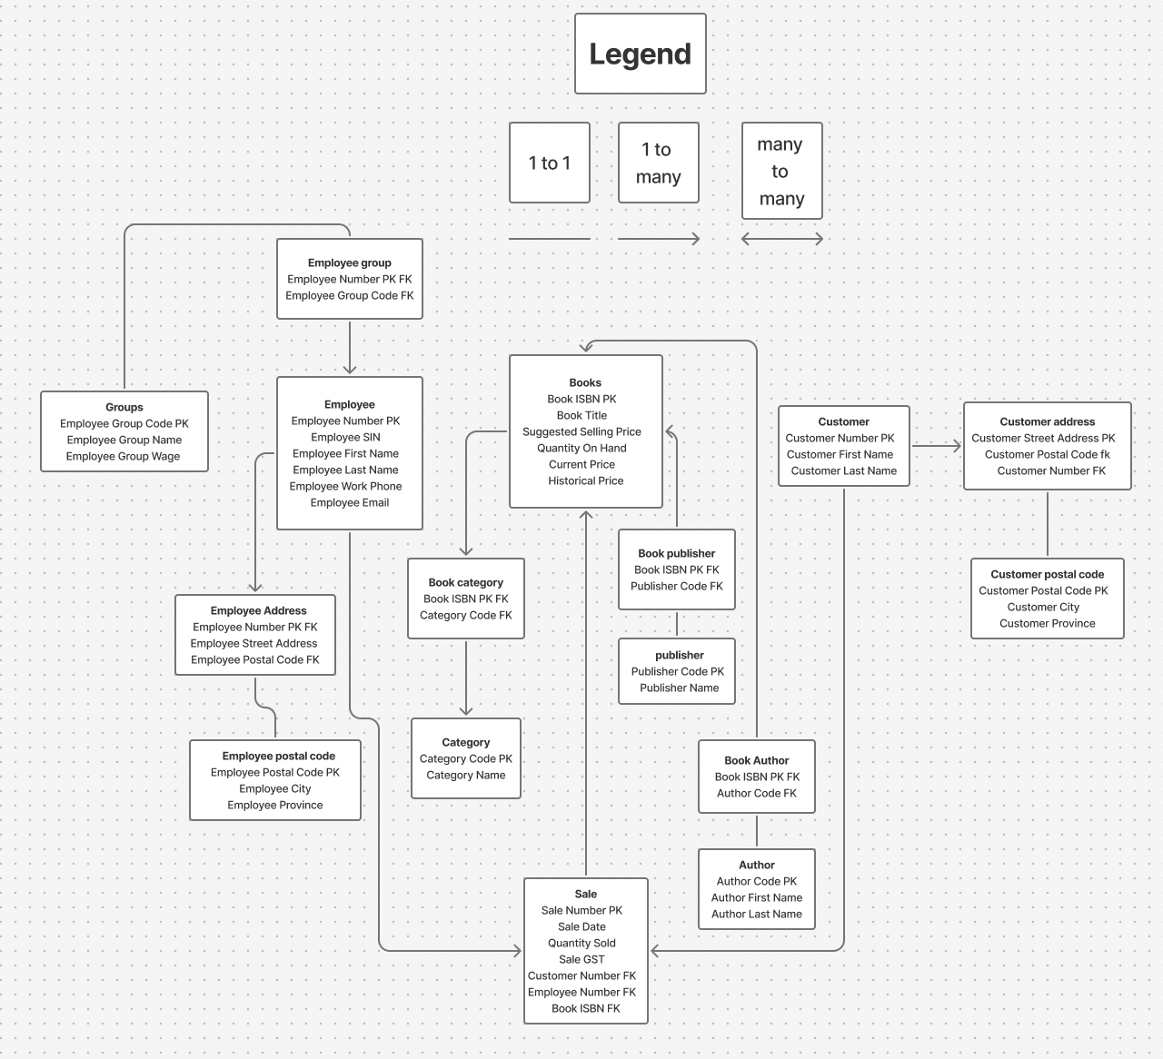
Employee | Books | Customer
Employee Number PK | Book ISBN PK | Customer Number PK
Employee SIN | Book Title | Customer First Name
Employee First Name | Suggested Selling Price | Customer Last Name
Employee Last Name | Quantity On Hand
Employee Work Phone | Current Price | Sale
Employee Email | Historical Price | Sale Number PK
 |  | Sale Date
Employee group | Book publisher | Quantity Sold
Employee Number PK FK | Book ISBN PK FK | Sale GST
Employee Group Code FK | Publisher Code FK | Customer Number FK
 |  | Employee Number FK
Groups | publisher | Book ISBN FK
Employee Group Code PK | Publisher Code PK
Employee Group Name | Publisher Name | Customer address
Employee Group Wage |  | Customer Street Address PK
 | Book Author | Customer Postal Code fk
Employee Address | Book ISBN PK FK | Customer Number FK
Employee Number PK FK | Author Code FK
Employee Street Address |  | Customer postal code
Employee Postal Code FK | Author | Customer Postal Code PK
 | Author Code PK | Customer City
Employee postal code | Author First Name | Customer Province
Employee Postal Code PK | Author Last Name
Employee City
Employee Province | Book category
 | Book ISBN PK FK
 | Category Code FK

 | Category
 | Category Code PK
 | Category Name

